Sheet1
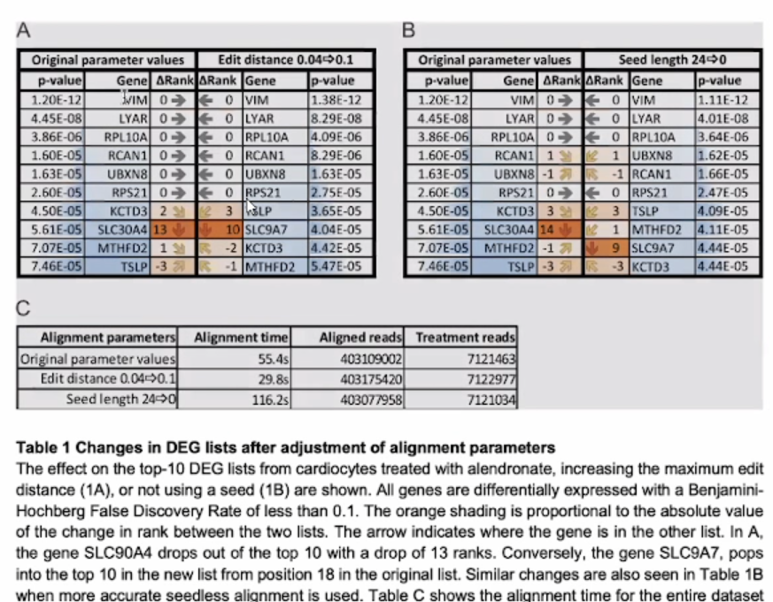
 | Published vs Published |  |  | Reprocessed vs Reprocessed
padj | Gene | rank Δ | rank Δ | Gene | padj
5.64E-70 | CXCR1 | 0 | 0 | CXCR1 | 5.26E-69
1.35E-57 | CD68 | 26180 | 1 | FCGR3B | 1.91E-56
1.11E-56 | FCGR3B | -1 | 4 | KCNJ15 | 6.68E-45
1.36E-56 | GPS2 | 20906 | 5 | FAM157A | 7.42E-44
1.36E-56 | ARL6IP4 | 19617 | 13 | TREML3P | 4.54E-36
3.15E-51 | RNASEK | 379 | 15 | R3HDM4 | 5.45E-36
4.64E-46 | KCNJ15 | -4 | 10 | CCNJL | 6.41E-36
1.77E-44 | GABARAP | 10206 | 16 | LCN2 | 7.05E-30
1.85E-44 | FAM157A | -5 | 35 | YPEL3 | 2.65E-26
1.30E-43 | CHKB | 26113 | 22 | CD177 | 7.51E-26

(out of 55617 genes for published vs published, 60616 genes for reprocessed vs reprocessed)
Comparing GTEx Reprocessed vs GDC Reprocessed and GTEx Published vs GDC Published

